Order Form - BASIC
$CAD ORDER FORM (shipped from Delta, BC location)
 |  |  |  |  | Questions? Call us @ 1-844-801-6429

 |  |  |  |  | (8 am - 5 pm CST · Monday - Friday)

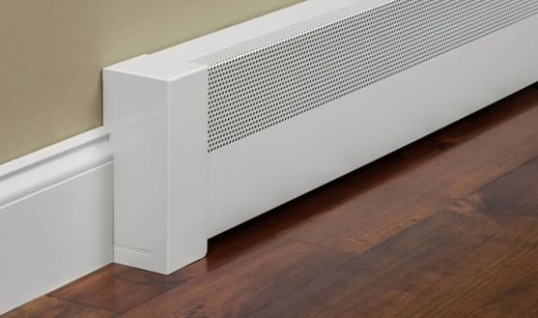
Company Name (if applicable): |  |  |  |  | Form For BC001 BASIC Style Only
Ship to Street Address:
 | Suite / Unit # (if applicable):
City:
State / Province:
Zip / Postal:
Country: |  | CANADA
Contact Person Name: |  |  |  |  | Please complete form and email to sales@baseboarders.com
Contact Phone: |  |  |  |  | An order acknowledgement and PayPal invoice will be emailed to you for payment.
Contact E-mail: |  |  |  |  | Shipment will be scheduled once payment has been received.

ORDER DETAILS - Standard Lengths

Item No. | Model No. | Product Description | Unit | Unit Price | Quantity | Extended Price | Finish
1 | BC001-36 | 3' Length BASIC baseboard panel | ea. | $76.45 |  | $- | Semi-gloss White
2 | BC001-48 | 4' Length BASIC baseboard panel | ea. | $101.95 |  | $- | Semi-gloss White
3 | BC001-60 | 5' Length BASIC baseboard panel | ea. | $127.45 |  | $- | Semi-gloss White
4 | BC001-72 | 6' Length BASIC baseboard panel | ea. | $152.85 |  | $- | Semi-gloss White
 |  |  |  | Sub Total: |  | $-

ORDER DETAILS - Custom Lengths

Item No. | Model No. | Cut To The Length Of: | Unit | Unit Price | Quantity | Extended Price | Finish
1 | BC001-36 (stock length is 36") |  | ea. | $76.45 |  | $- | Semi-gloss White
2 |  |  | ea. | $76.45 |  | $- | Semi-gloss White
3 |  |  | ea. | $76.45 |  | $- | Semi-gloss White
1 | BC001-48 (stock length is 48") |  | ea. | $101.95 |  | $- | Semi-gloss White
2 |  |  | ea. | $101.95 |  | $- | Semi-gloss White
3 |  |  | ea. | $101.95 |  | $- | Semi-gloss White
1 | BC001-60 (stock length is 60") |  | ea. | $127.45 |  | $- | Semi-gloss White
2 |  |  | ea. | $127.45 |  | $- | Semi-gloss White
3 |  |  | ea. | $127.45 |  | $- | Semi-gloss White
1 | BC001-72 (stock length is 72") |  | ea. | $152.85 |  | $- | Semi-gloss White
2 |  |  | ea. | $152.85 |  | $- | Semi-gloss White
3 |  |  | ea. | $152.85 |  | $- | Semi-gloss White
 |  |  |  | Sub Total: |  | $-

ORDER DETAILS - Accessories

Item No. | Model No. | Product Description | Unit | Unit Price | Quantity | Extended Price | Finish
1 | EC004-RT | Right Closed BASIC Endcap | ea. | $25.10 |  | $- | Semi-gloss White
2 | EC004-LF | Left Closed BASIC Endcap | ea. | $25.10 |  | $- | Semi-gloss White
3 | CP004 | Coupler piece BASIC | ea. | $19.50 |  | $- | Semi-gloss White
4 | IC004 | Inside corner BASIC 90 Degrees | ea. | $25.50 |  | $- | Semi-gloss White
5 | WB001 | Wall bracket | ea. | $4.30 |  | $- | Black
 |  |  |  | Sub Total: |  | $-

 |  |  |  |  | Total: | $-
 |  |  |  | GST:
 |  |  |  | Freight: |  | $35.00 | Flat Rate Most Areas (Yukon & NWT - $125)
Please be sure you have reviewed the three key measurements at the "Retrofitting Guide" on our website under the Resources tab. |  |  |  |  | Grand Total: | $35.00
 | baseboardheatercovers.com/retrofitting-guide

 |  |  |  |  |  |  | Website:
 |  |  |  | Baseboarders™, LLC
 |  |  |  | 217 N. Seminary Street
________Part of the Renovation Brands Family________ |  |  |  | Florence, AL 35630 USA
 |  |  |  | 844-801-6429

Order Form - PREMIUM
$CAD ORDER FORM (shipped from Delta, BC location)
 |  |  |  |  | Questions? Call us @ 1-844-801-6429

 |  |  |  |  | (8 am - 5 pm CST · Monday - Friday)

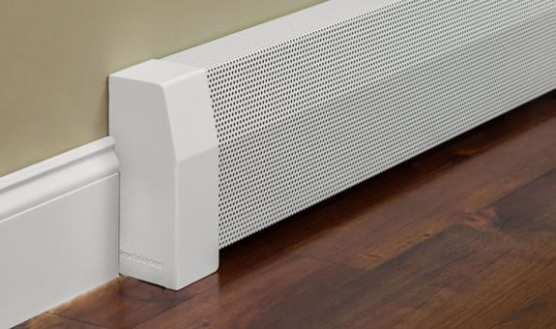
Company Name (if applicable): |  |  |  |  | Form For BB001 PREMIUM Style Only
Ship to Street Address:
Suite / Unit # (if applicable):
City:
State / Province:
Zip / Postal:
Country: |  | CANADA
Contact Person Name: |  |  |  |  | Please complete form and email to sales@baseboarders.com
Contact Phone: |  |  |  |  | An order acknowledgement and PayPal invoice will be emailed to you for payment.
Contact E-mail: |  |  |  |  | Shipment will be scheduled once payment is received.

ORDER DETAILS - Standard Lengths

Item No. | Model No. | Product Description | Unit | Unit Price | Quantity | Extended Price | Finish | List Price
1 | BB001-24 | 2' Length PREMIUM panel | ea. | $66.65 |  | $- | Semi-gloss White | $51.10
2 | BB001-36 | 3' Length PREMIUM panel | ea. | $100.00 |  | $- | Semi-gloss White | $76.65
3 | BB001-48 | 4' Length PREMIUM panel | ea. | $133.30 |  | $- | Semi-gloss White | $102.20
4 | BB001-60 | 5' Length PREMIUM panel | ea. | $166.60 |  | $- | Semi-gloss White | $127.75
5 | BB001-72 | 6' Length PREMIUM panel | ea. | $199.95 |  | $- | Semi-gloss White | $153.30
6 | BB001-84 | 7' Length PREMIUM panel | ea. | $233.25 |  | $- | Semi-gloss White | $178.85
 |  |  |  | Sub Total: |  | $-

ORDER DETAILS - Custom Lengths

Item No. | Model No. | Cut To The Length Of: | Unit | Unit Price | Quantity | Extended Price | Finish | List Price
1 | BB001-36 (stock length is 36") |  | ea. | $100.00 |  | $- | Semi-gloss White | $76.65
2 |  |  | ea. | $100.00 |  | $- | Semi-gloss White | $76.65
3 |  |  | ea. | $100.00 |  | $- | Semi-gloss White | $76.65
1 | BB001-48 (stock length is 48") |  | ea. | $133.30 |  | $- | Semi-gloss White | $102.20
2 |  |  | ea. | $133.30 |  | $- | Semi-gloss White | $102.20
3 |  |  | ea. | $133.30 |  | $- | Semi-gloss White | $102.20
1 | BB001-60 (stock length is 60") |  | ea. | $166.60 |  | $- | Semi-gloss White | $127.75
2 |  |  | ea. | $166.60 |  | $- | Semi-gloss White | $127.75
3 |  |  | ea. | $166.60 |  | $- | Semi-gloss White | $127.75
1 | BB001-72 (stock length is 72") |  | ea. | $199.95 |  | $- | Semi-gloss White | $153.30
2 |  |  | ea. | $199.95 |  | $- | Semi-gloss White | $153.30
3 |  |  | ea. | $199.95 |  | $- | Semi-gloss White | $153.30
1 | BB001-84 (stock length is 84") |  | ea. | $233.25 |  | $- | Semi-gloss White | $178.85
2 |  |  | ea. | $233.25 |  | $- | Semi-gloss White | $178.85
3 |  |  | ea. | $233.25 |  | $- | Semi-gloss White | $178.85
 |  |  |  | Sub Total: |  | $-

ORDER DETAILS - Accessories

Item No. | Model No. | Product Description | Unit | Unit Price | Quantity | Extended Price | Finish
1 | EC001-RT | Right Closed PREMIUM Endcap | ea. | $33.30 |  | $- | Semi-gloss White
2 | EC001-LF | Left Closed PREMIUM Endcap | ea. | $33.30 |  | $- | Semi-gloss White
3 | EC002-RT | Right Open PREMIUM Endcap | ea. | $33.30 |  | $- | Semi-gloss White
4 | EC002-LF | Left Open PREMIUM Endcap | ea. | $33.30 |  | $- | Semi-gloss White
5 | ZC001 | Zero Clearance PREMIUM Endcap | ea. | $26.05 |  | $- | Semi-gloss White
6 | CP001 | Coupler piece PREMIUM | ea. | $26.05 |  | $- | Semi-gloss White
7 | IC001 | Inside corner PREMIUM 90 Degrees | ea. | $31.85 |  | $- | Semi-gloss White
8 | OC001 | Outside corner PREMIUM 90 Degrees | ea. | $43.45 |  | $- | Semi-gloss White
9 | IB001 | Inside corner PREMIUM 135 Degrees | ea. | $31.85 |  | $- | Semi-gloss White
10 | OB001 | Outside corner PREMIUM 135 Degrees | ea. | $43.45 |  | $- | Semi-gloss White
11 | WB001 | Wall bracket | ea. | $4.30 |  | $- | Black
 |  |  |  | Sub Total: |  | $-

 |  |  |  |  | Total: | $-
 |  |  |  | GST:
 |  |  |  | Freight: |  | $35.00 | Flat Rate Most Areas (Yukon & NWT - $125)
Please be sure you have reviewed the three key measurements at the "Retrofitting Guide" on our website under the Resources tab. |  |  |  |  | Grand Total: | $35.00
 | baseboardheatercovers.com/retrofitting-guide

 |  |  |  |  |  |  | Website:
 |  |  |  | Baseboarders™, LLC
 |  |  |  | 217 N. Seminary Street
________Part of the Renovation Brands Family________ |  |  |  | Florence, AL 35630 USA
 |  |  |  | 844-801-6429

Order Form - ELLIPTUS
$CAD ORDER FORM (shipped from Delta, BC location)
 |  |  |  |  | Questions? Call us @ 1-844-801-6429

 |  |  |  |  |  | (8 am - 5 pm CST · Monday - Friday)

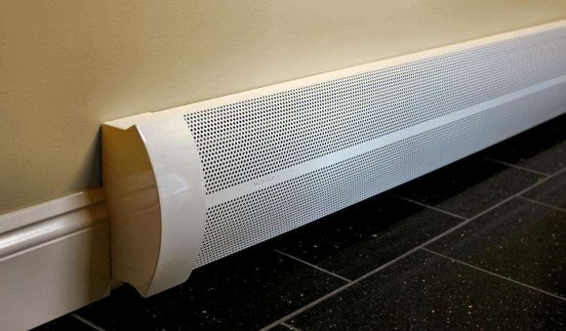
Company Name (if applicable): |  |  |  |  | Form For BA001 ELLIPTUS Style Only
Ship to Street Address:
 | Suite / Unit # (if applicable):
City:
State / Province:
Zip / Postal:
Country: |  | CANADA
Contact Person Name: |  |  |  |  | Please complete form and email to sales@baseboarders.com
Contact Phone: |  |  |  |  | An order acknowledgement and PayPal invoice will be emailed to you for payment.
Contact E-mail: |  |  |  |  | Shipment will be scheduled once payment is received.

ORDER DETAILS - Standard Lengths

Item No. | Model No. | Product Description | Unit | Unit Price | Quantity | Extended Price | Finish | List Price
1 | BA001-24 | 2' Length ELLIPTUS baseboard panel | ea. | $78.25 |  | $- | Semi-gloss White | $45.90
2 | BA001-36 | 3' Length ELLIPTUS baseboard panel | ea. | $117.40 |  | $- | Semi-gloss White | $68.85
3 | BA001-48 | 4' Length ELLIPTUS baseboard panel | ea. | $156.55 |  | $- | Semi-gloss White | $91.80
4 | BA001-60 | 5' Length ELLIPTUS baseboard panel | ea. | $195.65 |  | $- | Semi-gloss White | $114.75
5 | BA001-72 | 6' Length ELLIPTUS baseboard panel | ea. | $234.80 |  | $- | Semi-gloss White | $137.70
6 | BA001-84 | 7' Length ELLIPTUS baseboard panel | ea. | $273.90 |  | $- | Semi-gloss White | $160.65
 |  |  |  | Sub Total: |  | $-

ORDER DETAILS - Custom Lengths

Item No. | Model No. | Cut To The Length Of: | Unit | Unit Price | Quantity | Extended Price | Finish | List Price
1 | BA001-36 (stock length is 36") |  | ea. | $117.40 |  | $- | Semi-gloss White | $68.85
2 |  |  | ea. | $117.40 |  | $- | Semi-gloss White | $68.85
3 |  |  | ea. | $117.40 |  | $- | Semi-gloss White | $68.85
1 | BA001-48 (stock length is 48") |  | ea. | $156.55 |  | $- | Semi-gloss White | $91.80
2 |  |  | ea. | $156.55 |  | $- | Semi-gloss White | $91.80
3 |  |  | ea. | $156.55 |  | $- | Semi-gloss White | $91.80
1 | BA001-60 (stock length is 60") |  | ea. | $195.65 |  | $- | Semi-gloss White | $114.75
2 |  |  | ea. | $195.65 |  | $- | Semi-gloss White | $114.75
3 |  |  | ea. | $195.65 |  | $- | Semi-gloss White | $114.75
1 | BA001-72 (stock length is 72") |  | ea. | $234.80 |  | $- | Semi-gloss White | $137.70
2 |  |  | ea. | $234.80 |  | $- | Semi-gloss White | $137.70
3 |  |  | ea. | $234.80 |  | $- | Semi-gloss White | $137.70
1 | BA001-84 (stock length is 84") |  | ea. | $273.90 |  | $- | Semi-gloss White | $160.65
2 |  |  | ea. | $273.90 |  | $- | Semi-gloss White | $160.65
3 |  |  | ea. | $273.90 |  | $- | Semi-gloss White | $160.65
 |  |  |  | Sub Total: |  | $-

ORDER DETAILS - Accessories

Item No. | Model No. | Product Description | Unit | Unit Price | Quantity | Extended Price | Finish
1 | EC005-RT | Endcap ELLIPTUS right side - Closed | ea. | $39.10 |  | $- | Semi-gloss White
2 | EC005-LF | Endcap ELLIPTUS left side - Closed | ea. | $39.10 |  | $- | Semi-gloss White
3 | EC006-RT | Endcap ELLIPTUS right side - Open | ea. | $39.10 |  | $- | Semi-gloss White
4 | EC006-LF | Endcap ELLIPTUS left side - Open | ea. | $39.10 |  | $- | Semi-gloss White
5 | ZC005 | Zero Clearance ELLIPTUS Endcap | ea. | $30.45 |  | $- | Semi-gloss White
6 | CP005 | Coupler piece ELLIPTUS | ea. | $30.45 |  | $- | Semi-gloss White
7 | IC005 | Inside corner ELLIPTUS 90 Degrees | ea. | $58.00 |  | $- | Semi-gloss White
8 | WB001 | Wall bracket | ea. | $4.30 |  | $- | Black
 |  |  |  | Sub Total: |  | $-

 |  |  |  |  | Total: | $-
 |  |  |  | GST :
 |  |  |  | Freight: |  | $35.00 | Flat Rate Most Areas (Yukon & NWT - $125)
Please be sure you have reviewed the three key measurements at the "Retrofitting Guide" on our website under the Resources tab. |  |  |  |  | Grand Total: | $35.00
 | baseboardheatercovers.com/retrofitting-guide

 |  |  |  |  |  |  | Website:
 |  |  |  | Baseboarders™, LLC
 |  |  |  | 217 N. Seminary Street
________Part of the Renovation Brands Family________ |  |  |  | Florence, AL 35630 USA
 |  |  |  | 844-801-6429

